Sheet1
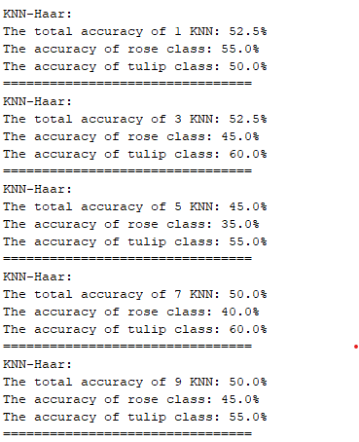
K | 1 | 3 | 5 | 7 | 9
Total Acc. | 52.5 | 52.5 | 45 | 50 | 50
Rose Acc. | 55 | 45 | 35 | 40 | 45
Tulip Acc. | 50 | 60 | 55 | 60 | 55

KNN-Haar (No Flipped Images)

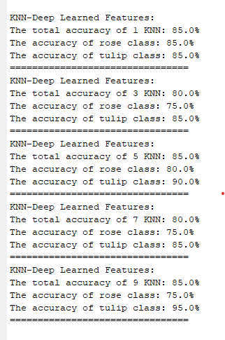
K | 1 | 3 | 5 | 7 | 9
Total Acc. | 85 | 80 | 85 | 80 | 85
Rose Acc. | 85 | 75 | 80 | 75 | 75
Tulip Acc. | 85 | 85 | 90 | 85 | 95
KNN-Deep Learned (No Flipped Images)

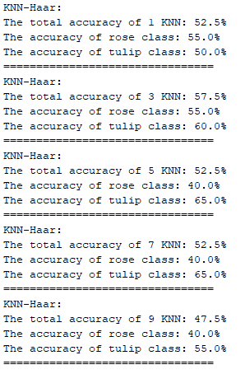
K | 1 | 3 | 5 | 7 | 9
Total Acc. | 52.5 | 57.5 | 52.5 | 52.5 | 47.5
Rose Acc. | 55 | 55 | 40 | 40 | 40
Tulip Acc. | 50 | 60 | 65 | 65 | 55

KNN-Haar (Flipped Images)

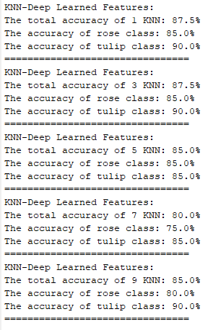
K | 1 | 3 | 5 | 7 | 9
Total Acc. | 87.5 | 87.5 | 85 | 80 | 85
Rose Acc. | 85 | 85 | 85 | 75 | 80
Tulip Acc. | 90 | 90 | 85 | 85 | 90

KNN-Deep Learned (Flipped Images)

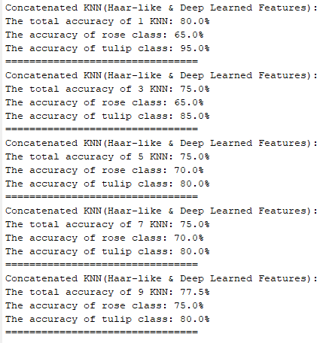
K | 1 | 3 | 5 | 7 | 9
Total Acc. | 80 | 75 | 78 | 75 | 77.5
Rose Acc. | 65 | 65 | 70 | 70 | 75
Tulip Acc. | 95 | 85 | 80 | 80 | 80

KNN-Concatenated (Flipped Images)

